Sheet2
Year of Release | 1954
Movie Name | (Multiple Items)
Rating | (All)

Sum of Year of Release | Sum of Rating
1954 | 8.6

Chart1
 | Sum of Revenue (USD) | Sum of Expenses (USD) | Sum of Profit (USD) | Sum of Monthly Profit Margin:
Total | 4211068.9655 | 2753862.069 | 1457206.8966 | 1035.3658692

Sheet5
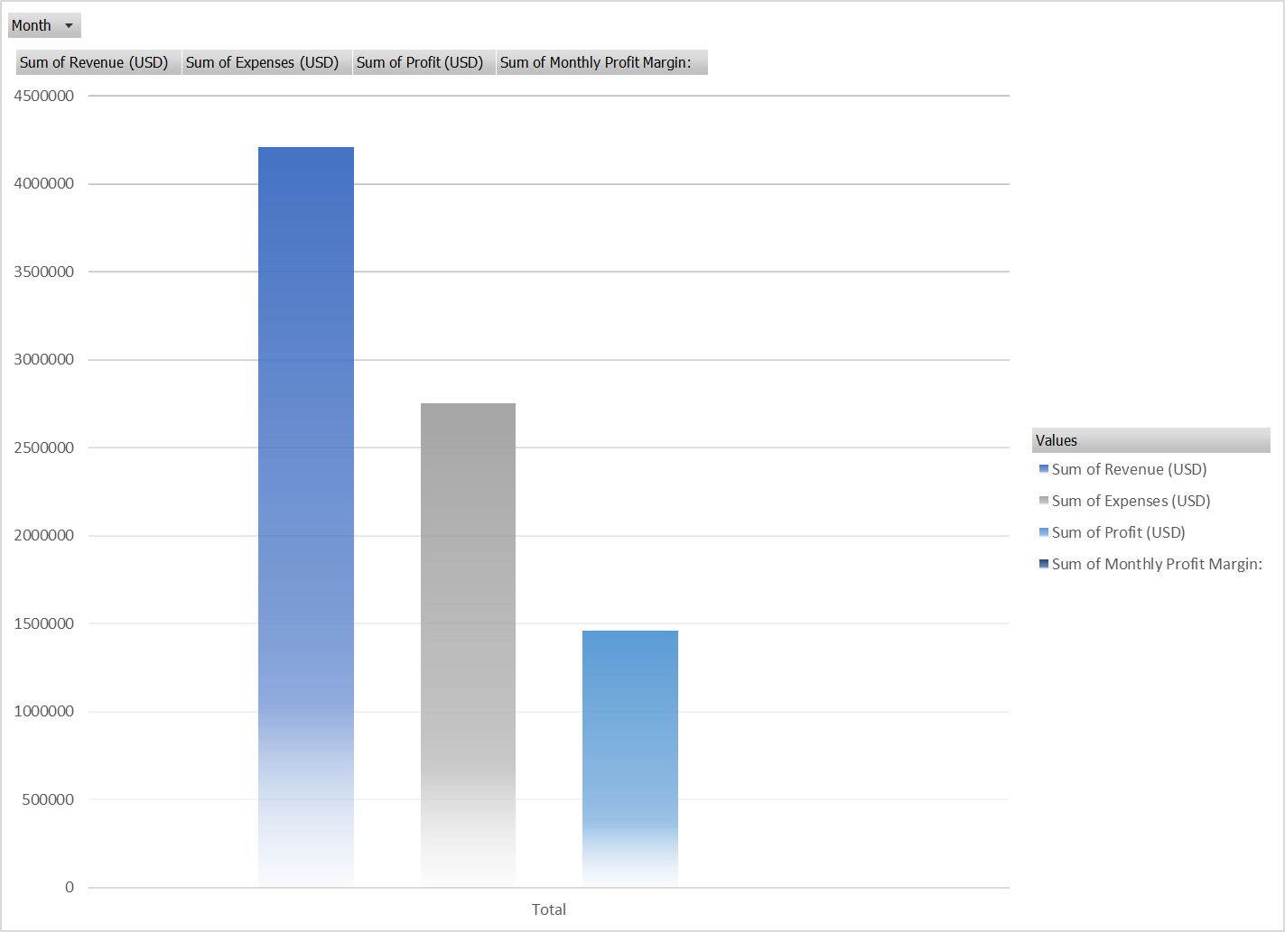
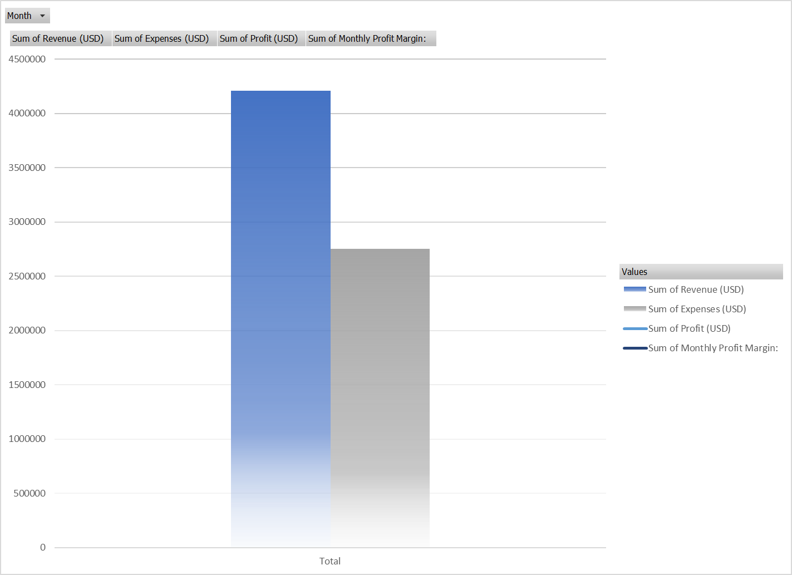
 | Sum of Revenue (USD) | Sum of Expenses (USD) | Sum of Profit (USD) | Sum of Monthly Profit Margin:
Total | 4211068.9655 | 2753862.069 | 1457206.8966 | 1035.3658692

